Indices

 | Iraq Stock Exchange
 | Bulletin No (121)
 | ISX Trading Indices of Tuesday 14/7/2026

 | Traded Volume and OTC |  | 406,814,665 |  | Traded Value and OTC |  | 516,650,043 |  | Traders | 969
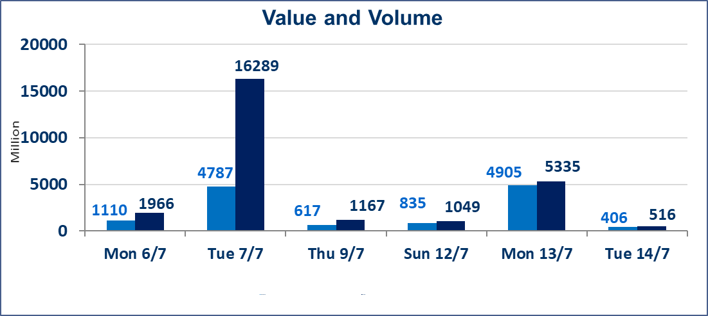
 | ISX Index 60 |  |  | 999.68 | ISX Index 15 |  |  | 1261.78
 | Previous ISX Index60 |  |  | 982.89 | Previous ISX Index15 |  |  | 1254.95
 | Change % |  |  | 1.71 | Change % |  |  | 0.54
 | Change |  |  | 16.79 | Change |  |  | 6.83

 | Listed Companies | 103 | OTC | 17 | Non Traded listed | 42 | OTC | 16
 | Traded Listed Companies | 46 | OTC | 1 | Higher Companies |  |  | 17
 | GAM Companies |  |  | 7 | Lower Companies |  |  | 16
 | Suspended Companies |  |  | 8
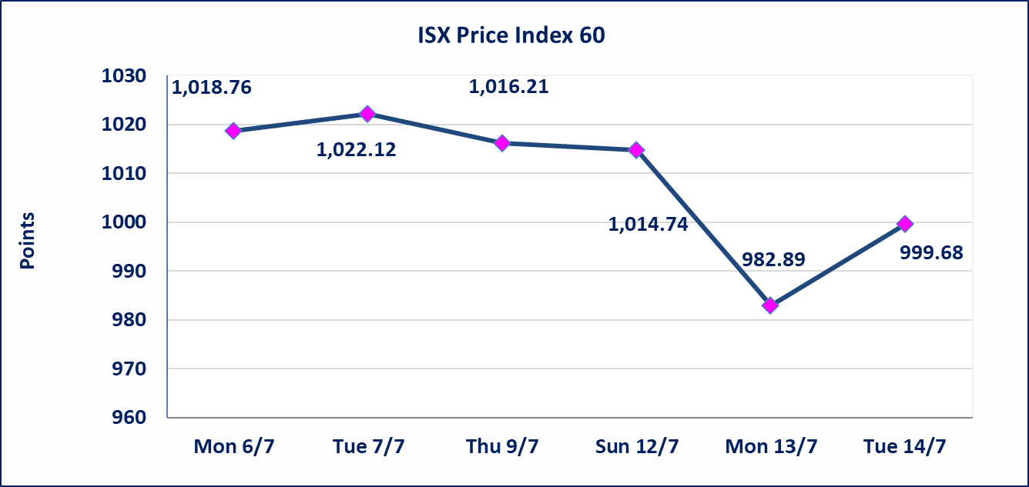
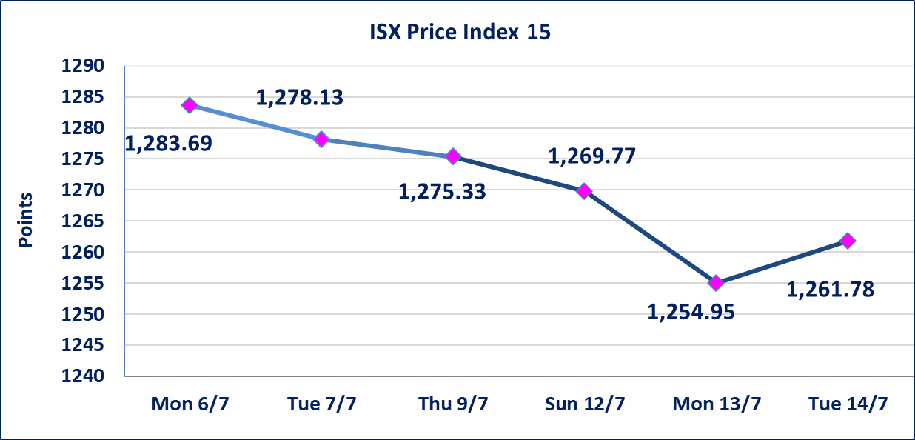

Al-Alwiya P.O . 3607 Mobile: 07711211522 - 07270094594 - 07834000034 E-mail: info-isx@isx-iq.net Web site:www.isx-iq.net

Top 5
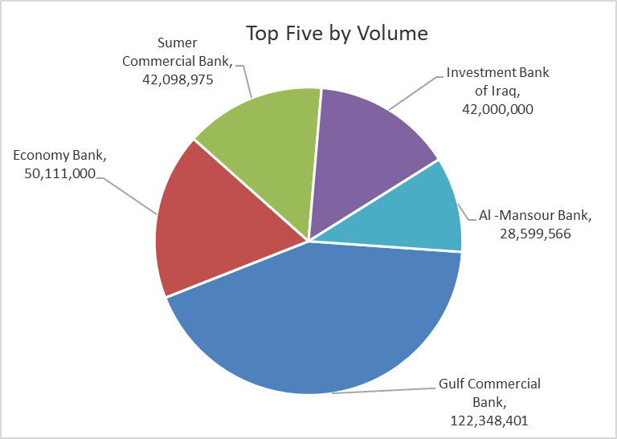
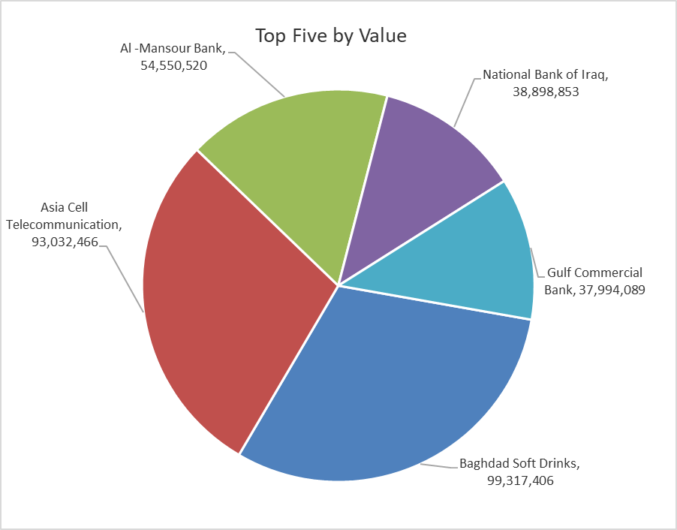

ISX top ganing and losing companies
Tuesday 14/7/2026
 | Gainers |  |  |  | Losers
 | Company Name | Closing Price | Change (%) | Traded Volume | Company Name | Closing Price | Change (%) | Traded Volume
 | Al-Sadeer Hotel | 27.750 | 20.65 | 2,000 | Iraq Noor Islamic Bank for Investment | 0.210 | -8.70 | 1,054,982
 | Iraqi Carton Manufactories | 2.500 | 14.68 | 115,661 | Al-Taif Islamic Bank | 0.880 | -7.37 | 353,217
 | Ready Made Clothes | 2.600 | 8.33 | 10,000 | Tourist Village of Mosul dam | 13.750 | -5.17 | 54,685
 | Ashur International Bank | 0.330 | 6.45 | 9,658,694 | AL-Nukhba for Construction | 0.640 | -4.48 | 741,807
 | Baghdad Soft Drinks | 6.290 | 4.83 | 16,172,449 | Trans Iraq Bank Investment | 0.250 | -3.85 | 2,000,000
 | The most active companies in term of traded volume and value

 | Traded Volume |  |  |  | Traded Value
 | Company Name | Closing Price | Change (%) | Traded Volume | Company Name | Closing Price | Change (%) | Traded Value
 | Gulf Commercial Bank | 0.310 | -3.12 | 122,348,401 | Baghdad Soft Drinks | 6.290 | 4.83 | 99,317,406
 | Economy Bank | 0.240 | 4.35 | 50,111,000 | Asia Cell Telecommunication | 16.130 | -0.43 | 93,032,466
 | Sumer Commercial Bank | 0.230 | 4.55 | 42,098,975 | Al -Mansour Bank | 1.920 | 1.05 | 54,550,520
 | Investment Bank of Iraq | 0.310 | 3.33 | 42,000,000 | National Bank of Iraq | 4.000 | 0.00 | 38,898,853
 | Al -Mansour Bank | 1.920 | 1.05 | 28,599,566 | Gulf Commercial Bank | 0.310 | -3.12 | 37,994,089

Non Iraqis

 | Iraq Stock Exchange
 | Non Iraqis' Bulletin Tuesday July 14 2026
 | Regular Market

 | Non Iraqi Trading of Regular Market (Buy)
 | Company Names | Code | No.of trades | Traded Shares | Trading Volume
 | Banks Sector
 | Bank Of Baghdad | BBOB | 9 | 8,188,940 | 24,401,152
 | Al-Mansour Bank | BMNS | 1 | 1,000,000 | 1,910,000
 | Total Bank sector |  | 10 | 9,188,940 | 26,311,152
 | Telecommunication Sector
 | Asia cell | TASC | 2 | 732,000 | 11,712,000
 | Total Telecommunication sector |  | 2 | 732,000 | 11,712,000
 | Grand Total |  | 12 | 9,920,940 | 38,023,152

 | Non Iraqi Trading of Regular Market (Sell)
 | Company Names | Code | No.of trades | Traded Shares | Trading Volume
 | Banks Sector
 | Investment Bank of Iraq | BIBI | 2 | 30,000,000 | 9,300,000
 | National Bank Of Iraq | BNOI | 14 | 1,777,343 | 7,113,372
 | Total Bank sector |  | 16 | 31,777,343 | 16,413,372
 | Telecommunication Sector
 | Asia cell | TASC | 36 | 2,844,916 | 45,861,417
 | Total Telecommunication sector |  | 36 | 2,844,916 | 45,861,417
 | Grand Total |  | 52 | 34,622,259 | 62,274,789

 | Non Iraqi Trading of Second Market (BUY)
 | Company Names | Code | No. of trades | Traded Volume | Traded Value
Banks Sector
 | International Islamic Bank | BINT | 2 | 241,776 | 55,608
 | Total Bank sector |  | 2 | 241,776 | 55,608
 | Grand Total |  | 2 | 241,776 | 55,608

OTC

Iraq Stock Exchange

Tuesday 14/7/2026

OTC Platform Trading Bulletin No (121)
Company Name | Code | highest price | lowest price | Average price | No.of Trades | Traded Volume | Traded Value
Banks Sector
Al-Warka Bank | BWAI | 0.140 | 0.140 | 0.140 | 9 | 4,090,000 | 572,600
Total Of Money Service Sector |  |  |  |  | 9 | 4,090,000 | 572,600
Total |  |  |  |  | 9 | 4,090,000 | 572,600

Not Trading OTC Companies
Company Name |  |  | Code |  | Previous Average price
Banks Sector
Al-Sanam Islamic Bank |  |  | BSAN |  | 3.000
Hammurabi Commercial Bank |  |  | BHAM |  | ـــــــــــــــــــــــــــــــــــ
Industrial Sector
Kirkuk producing constructional materials |  |  | IKFP |  | 2.660
Money Service Sector
Rabee Securities |  |  | FRSE |  | 9.050
Karmal Brokerage |  |  | FKSX |  | 10.000
Iraqi Deposit Insurance Corporation |  |  | FIDI |  | 1.000
Ishtar Gate for e-Paymant |  |  | FISH |  | 1.000
Sama Baghdad Exchange |  |  | FSBE |  | ـــــــــــــــــــــــــــــــــــ
Insurance Sector
Almaseer lnsurance Company |  |  | NMAS |  | ـــــــــــــــــــــــــــــــــــ
Zain lnsurance Company |  |  | NZA |  | ـــــــــــــــــــــــــــــــــــ
Dar Altheqa Insurance Company |  |  | NDAR |  | ـــــــــــــــــــــــــــــــــــ
Shatt Al Arab Insurance |  |  | NSHA |  | 1.000
Al Badia Insurance |  |  | NBAD |  | ـــــــــــــــــــــــــــــــــــ
Kurdistan Insurance |  |  | NKUI |  | 0.500
Elaf Insurance |  |  | NELF |  | ـــــــــــــــــــــــــــــــــــ
Dilina Insurance Company |  |  | NDIL |  | ـــــــــــــــــــــــــــــــــــ

Not Trading Bonds

Iraq Stock Exchange
Tuesday 14/7/2026
Not Trading Bonds Bulletin
Bond type | Publish type | Code | last trading price | immortilize date
Banaa Bonds /Million ID | Second | CB20 | 964,981 | 19/12/2025
Eamar Bonds /Million ID | First | CB30 | 1,001,095 | ــــــــــــــــ
Eamar Bonds /Million ID | Second | CB40 | ــــــــــــــــ | ــــــــــــــــ
Eamar Bonds /500 Thousand ID | Third | CB45 | ــــــــــــــــ | ــــــــــــــــ
Eamar Bonds /Million ID | Third | CB50 | ــــــــــــــــ | ــــــــــــــــ
Injaz Bonds /500 Thousand ID | First | CB55 | ــــــــــــــــ | ــــــــــــــــ
Injaz Bonds /500 Thousand ID | Second | CB65 | 515,493 | ــــــــــــــــ
Injaz Bonds /Million ID | First | CB60 | 951,110 | ــــــــــــــــ
Injaz Bonds /Million ID | Second | CB70 | 965,050 | ــــــــــــــــ
Injaz Bonds /500 Thousand ID | Third | CB75 | ــــــــــــــــ | ــــــــــــــــ
Injaz Bonds /Million ID | Third | CB80 | 978,182 | ــــــــــــــــ
National Bonds/Million ID | First | CB90 | ــــــــــــــــ | ــــــــــــــــ
National Bonds/500 Thousand ID | Second | CB95 | ــــــــــــــــ | ــــــــــــــــ
National Bonds/Million ID | Second | CB100 | ــــــــــــــــ | ــــــــــــــــ

